Base Dimensions to suit 18mm
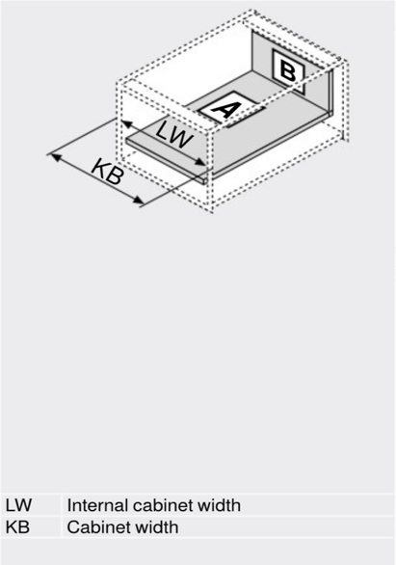
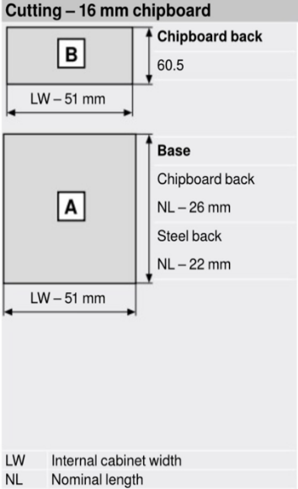
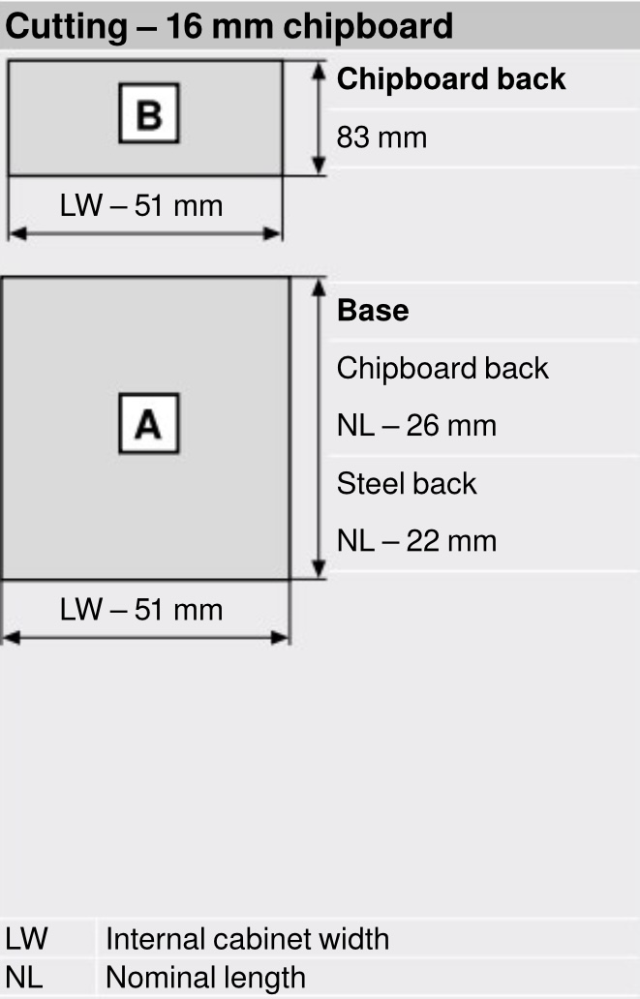
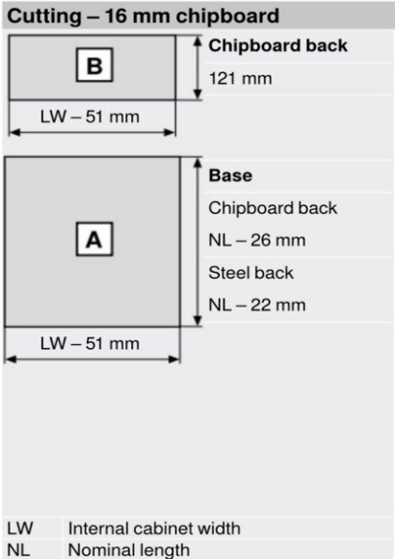
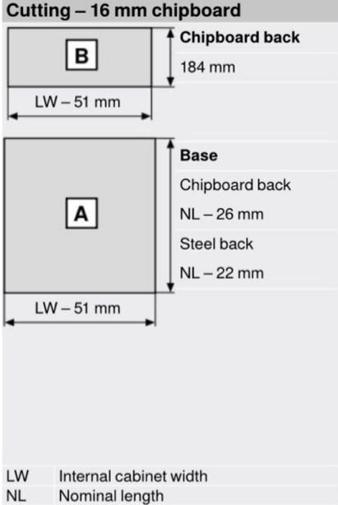
Base cutting dimensions for Merivobox to suit 18mm carcasses

MERIVOBOX - 270mm deep drawer
Base Dimensions
Cabinet Width | 300 | 400 | 450 | 500 | 600 | 800 | 900 | 1000
Cut width to (mm) | 213 | 313 | 363 | 413 | 513 | 713 | 813 | 913
Cut depth to (mm) using Wood Back | 244 | 244 | 244 | 244 | 244 | 244 | 244 | 244
Cut depth to (mm) using Steel Back | 248 | 248 | 248 | 248 | 248 | 248 | 248 | 248

MERIVOBOX - 300mm deep drawer
Base Dimensions
Cabinet Width | 300 | 400 | 450 | 500 | 600 | 800 | 900 | 1000
Cut width to (mm) | 213 | 313 | 363 | 413 | 513 | 713 | 813 | 913
Cut depth to (mm) using Wood Back | 274 | 274 | 274 | 274 | 274 | 274 | 274 | 274
Cut depth to (mm) using Steel Back | 278 | 278 | 278 | 278 | 278 | 278 | 278 | 278

MERIVOBOX - 350mm deep drawer
Base Dimensions
Cabinet Width | 300 | 400 | 450 | 500 | 600 | 800 | 900 | 1000
Cut width to (mm) | 213 | 313 | 363 | 413 | 513 | 713 | 813 | 913
Cut depth to (mm) using Wood Back | 324 | 324 | 324 | 324 | 324 | 324 | 324 | 324
Cut depth to (mm) using Steel Back | 328 | 328 | 328 | 328 | 328 | 328 | 328 | 328

MERIVOBOX - 400mm deep drawer
Base Dimensions
Cabinet Width | 300 | 400 | 450 | 500 | 600 | 800 | 900 | 1000
Cut width to (mm) | 213 | 313 | 363 | 413 | 513 | 713 | 813 | 913
Cut depth to (mm) using Wood Back | 374 | 374 | 374 | 374 | 374 | 374 | 374 | 374
Cut depth to (mm) using Steel Back | 378 | 378 | 378 | 378 | 378 | 378 | 378 | 378

MERIVOBOX - 450mm deep drawer
Base Dimensions
Cabinet Width | 300 | 400 | 450 | 500 | 600 | 800 | 900 | 1000
Cut width to (mm) | 213 | 313 | 363 | 413 | 513 | 713 | 813 | 913
Cut depth to (mm) using Wood Back | 424 | 424 | 424 | 424 | 424 | 424 | 424 | 424
Cut depth to (mm) using Steel Back | 428 | 428 | 428 | 428 | 428 | 428 | 428 | 428

MERIVOBOX - 500mm deep drawer
Base Dimensions
Cabinet Width | 300 | 400 | 450 | 500 | 600 | 800 | 900 | 1000
Cut width to (mm) | 213 | 313 | 363 | 413 | 513 | 713 | 813 | 913
Cut depth to (mm) using Wood Back | 474 | 474 | 474 | 474 | 474 | 474 | 474 | 474
Cut depth to (mm) using Steel Back | 478 | 478 | 478 | 478 | 478 | 478 | 478 | 478

MERIVOBOX - 550mm deep drawer
Base Dimensions
Cabinet Width | 300 | 400 | 450 | 500 | 600 | 800 | 900 | 1000
Cut width to (mm) | 213 | 313 | 363 | 413 | 513 | 713 | 813 | 913
Cut depth to (mm) using Wood Back | 524 | 524 | 524 | 524 | 524 | 524 | 524 | 524
Cut depth to (mm) using Steel Back | 528 | 528 | 528 | 528 | 528 | 528 | 528 | 528

MERIVOBOX - 600mm deep drawer
Base Dimensions
Cabinet Width | 300 | 400 | 450 | 500 | 600 | 800 | 900 | 1000
Cut width to (mm) | 213 | 313 | 363 | 413 | 513 | 713 | 813 | 913
Cut depth to (mm) using Wood Back | 574 | 574 | 574 | 574 | 574 | 574 | 574 | 574
Cut depth to (mm) using Steel Back | 578 | 578 | 578 | 578 | 578 | 578 | 578 | 578

Base Dimensions to suit 15mm

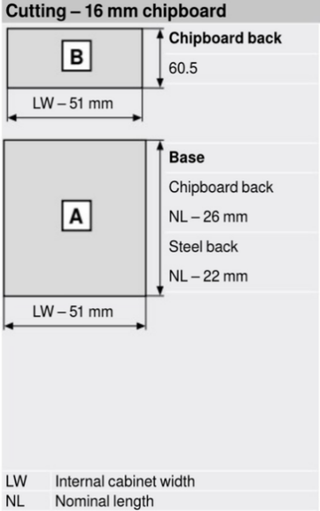


Base cutting dimensions for Merivobox to suit 15mm carcasses

MERIVOBOX - 270mm deep drawer
Base Dimensions
Cabinet Width | 300 | 400 | 450 | 500 | 600 | 800 | 900 | 1000
Cut width to (mm) | 219 | 319 | 369 | 419 | 519 | 719 | 819 | 919
Cut depth to (mm) using Wood Back | 244 | 244 | 244 | 244 | 244 | 244 | 244 | 244
Cut depth to (mm) using Steel Back | 248 | 248 | 248 | 248 | 248 | 248 | 248 | 248

MERIVOBOX - 300mm deep drawer
Base Dimensions
Cabinet Width | 300 | 400 | 450 | 500 | 600 | 800 | 900 | 1000
Cut width to (mm) | 219 | 319 | 369 | 419 | 519 | 719 | 819 | 919
Cut depth to (mm) using Wood Back | 274 | 274 | 274 | 274 | 274 | 274 | 274 | 274
Cut depth to (mm) using Steel Back | 278 | 278 | 278 | 278 | 278 | 278 | 278 | 278

MERIVOBOX - 350mm deep drawer
Base Dimensions
Cabinet Width | 300 | 400 | 450 | 500 | 600 | 800 | 900 | 1000
Cut width to (mm) | 219 | 319 | 369 | 419 | 519 | 719 | 819 | 919
Cut depth to (mm) using Wood Back | 324 | 324 | 324 | 324 | 324 | 324 | 324 | 324
Cut depth to (mm) using Steel Back | 328 | 328 | 328 | 328 | 328 | 328 | 328 | 328

MERIVOBOX - 400mm deep drawer
Base Dimensions
Cabinet Width | 300 | 400 | 450 | 500 | 600 | 800 | 900 | 1000
Cut width to (mm) | 219 | 319 | 369 | 419 | 519 | 719 | 819 | 919
Cut depth to (mm) using Wood Back | 374 | 374 | 374 | 374 | 374 | 374 | 374 | 374
Cut depth to (mm) using Steel Back | 378 | 378 | 378 | 378 | 378 | 378 | 378 | 378

MERIVOBOX - 450mm deep drawer
Base Dimensions
Cabinet Width | 300 | 400 | 450 | 500 | 600 | 800 | 900 | 1000
Cut width to (mm) | 219 | 319 | 369 | 419 | 519 | 719 | 819 | 919
Cut depth to (mm) using Wood Back | 424 | 424 | 424 | 424 | 424 | 424 | 424 | 424
Cut depth to (mm) using Steel Back | 428 | 428 | 428 | 428 | 428 | 428 | 428 | 428

MERIVOBOX - 500mm deep drawer
Base Dimensions
Cabinet Width | 300 | 400 | 450 | 500 | 600 | 800 | 900 | 1000
Cut width to (mm) | 219 | 319 | 369 | 419 | 519 | 719 | 819 | 919
Cut depth to (mm) using Wood Back | 474 | 474 | 474 | 474 | 474 | 474 | 474 | 474
Cut depth to (mm) using Steel Back | 478 | 478 | 478 | 478 | 478 | 478 | 478 | 478

MERIVOBOX - 550mm deep drawer
Base Dimensions
Cabinet Width | 300 | 400 | 450 | 500 | 600 | 800 | 900 | 1000
Cut width to (mm) | 219 | 319 | 369 | 419 | 519 | 719 | 819 | 919
Cut depth to (mm) using Wood Back | 524 | 524 | 524 | 524 | 524 | 524 | 524 | 524
Cut depth to (mm) using Steel Back | 528 | 528 | 528 | 528 | 528 | 528 | 528 | 528

MERIVOBOX - 600mm deep drawer
Base Dimensions
Cabinet Width | 300 | 400 | 450 | 500 | 600 | 800 | 900 | 1000
Cut width to (mm) | 219 | 319 | 369 | 419 | 519 | 719 | 819 | 919
Cut depth to (mm) using Wood Back | 574 | 574 | 574 | 574 | 574 | 574 | 574 | 574
Cut depth to (mm) using Steel Back | 578 | 578 | 578 | 578 | 578 | 578 | 578 | 578

